small.talk.hello
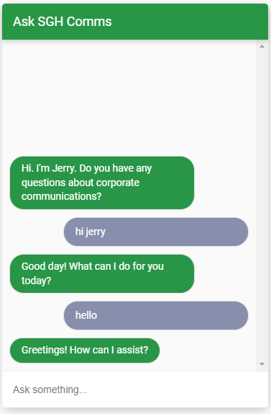
Training Phrases | Responses (Fulfilment) | Response Type
good day | Hi! How are you doing? | Text
good afternoon | Hello! How can I help you? | Text
good morning | Good day! What can I do for you today? | Text
good evening | Greetings! How can I assist? | Text
just going to say hi
heya
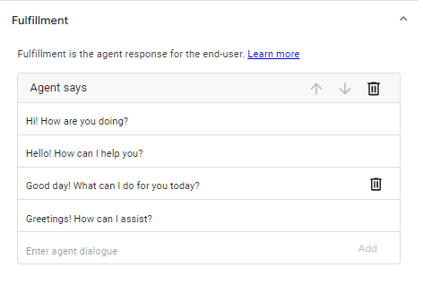
hello hi
howdy
hey there
hi there
greetings
hey
long time no see
lovely day isn't it
I greet you
hello again
hi
hello there
a good day

publicity.on.facebook
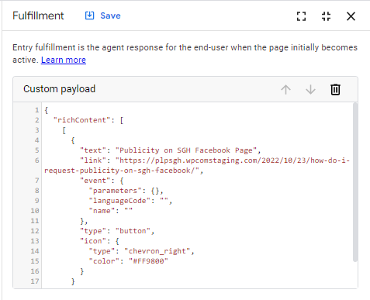
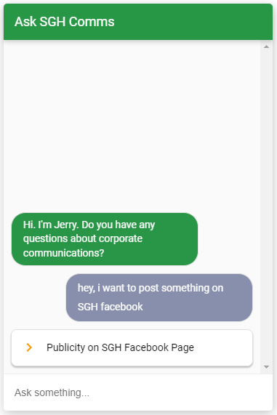
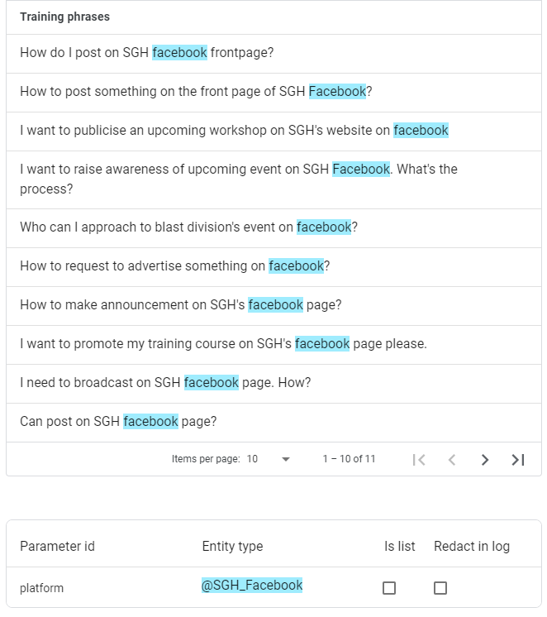
Responses (Fulfilment) | Response Type
Publicity on SGH Facebook Page | Custom Payload (Button)
https://plpsgh.wpcomstaging.com/2022/10/23/how-do-i-request-publicity-on-sgh-facebook/

workplace@FB
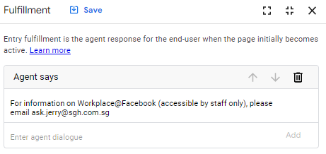
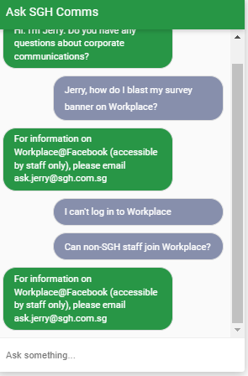
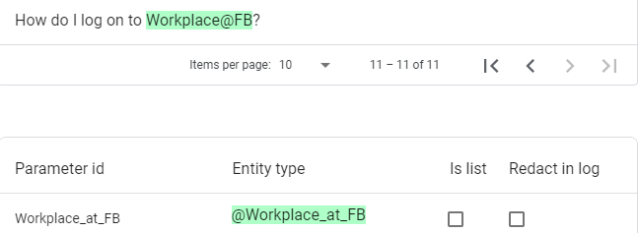
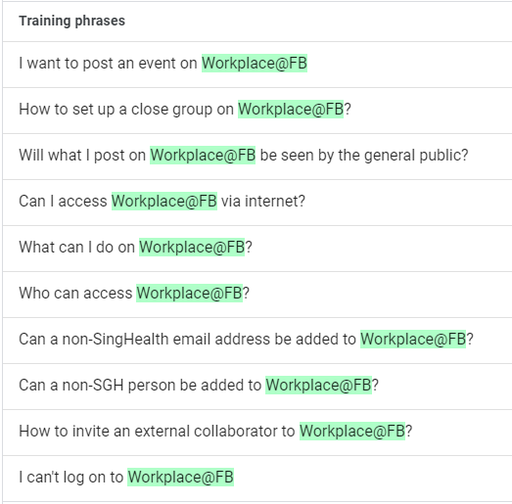
Training Phrases | Responses (Fulfilment) | Response Type
 | For information on Workplace@Facebook (accessible by staff only), please email ask.jerry@sgh.com.sg | Text

update.sgh.website
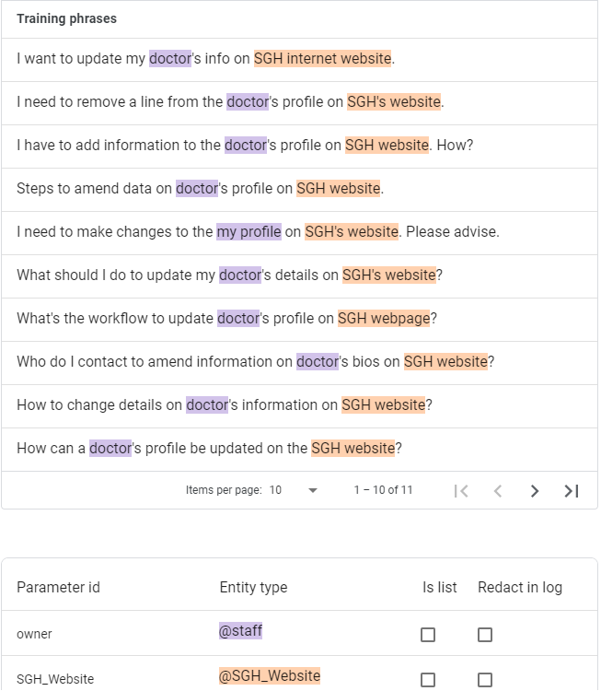
Responses (Fulfilment) |  | Response Type
Update department profile on SGH website | https://plpsgh.wpcomstaging.com/2022/10/23/how-to-amend-department-website/ | Custom Payload (Buttons List)
Update staff profile on SGH website | https://plpsgh.wpcomstaging.com/2022/10/23/how-do-i-update-doctors-profile-on-sgh-website/
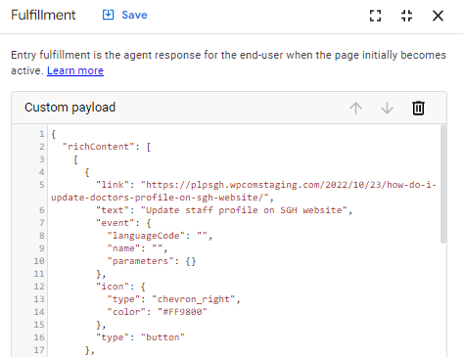

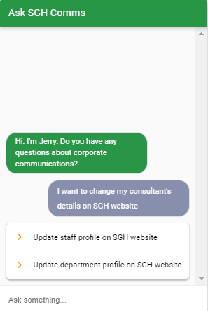
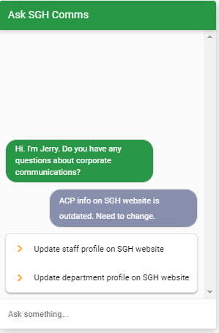

{
"richContent": [
[
{
"link": "https://plpsgh.wpcomstaging.com/2022/10/23/how-do-i-update-doctors-profile-on-sgh-website/",
"text": "Update staff profile on SGH website",
"event": {
"languageCode": "",
"name": "",
"parameters": {}
},
"icon": {
"type": "chevron_right",
"color": "#FF9800"
},
"type": "button"
},
{
"event": {
"languageCode": "",
"parameters": {},
"name": ""
},
"text": "Update department profile on SGH website",
"icon": {
"type": "chevron_right",
"color": "#FF9800"
},
"link": "https://plpsgh.wpcomstaging.com/2022/10/23/how-to-amend-department-website/",
"type": "button"
}
]
]
}

corporate.target.no
Training Phrases | Responses (Fulfilment) | Response Type
N | Requests to visit at department level may be accepted and hosted by the respective department. Have fun! | Text
Nah | Departments may accept or decline requests to visit at department level. You may make your own arrangements to play host to the visitor. | Text
Not sure
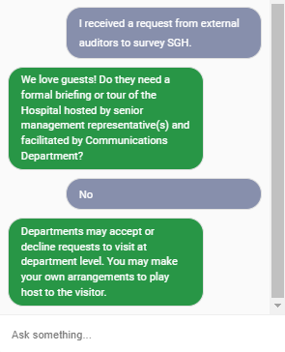
Nope
No

small.talk.love

Training Phrases | Responses (Fulfilment) | Response Type
you're a great help | heehee | Text
you're awesome | shy... | Text
you deserve a compliment | Thanks | Text
you're a great initiative | You're so nice. | Text
i love you | Thanks for your kind words. | Text
you're really helpful | You're too kind. | Text
You're cute | You make me blush... | Text
You're so sweet. | Thanks. Please vote for me at Innovation Competition! ;-) | Text

logo.and.templatesI need templa
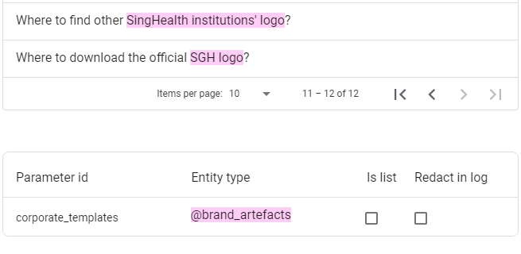
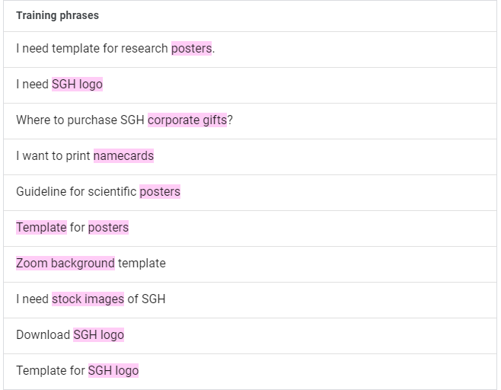
Training Phrases | Responses (Fulfilment) |  | Response Type
I need template for research posters. | SGH Logo | https://plpsgh.wpcomstaging.com/2022/10/23/sgh-logo/ | Custom Payload (Buttons List)
i need SGH logo | SingHealth Institutions' Logos | https://plpsgh.wpcomstaging.com/2022/10/23/other-institution-logos/
Where to purchase SGH corporate gifts? | SGH Corporate Templates (letterhead, slides, posters, etc.) | https://plpsgh.wpcomstaging.com/2022/10/23/corporate-templates/
I want to print namecards | SGH Stock Images | https://plpsgh.wpcomstaging.com/2022/10/23/stock-images/
Guideline for scientific posters | SGH Zoom Background | https://plpsgh.wpcomstaging.com/2022/10/23/corporate-zoom-backgrounds/
Template for posters | SGH Corporate Gifts | https://plpsgh.wpcomstaging.com/2022/10/23/corporate-gifts/
Zoom background template
I need stock images of SGH
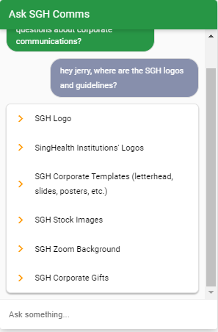

Download SGH logo
Template for SGH logo
Where to find other SingHealth institutions' logo?
Where to download the official SGH logo?

{
"richContent": [
[
{
"event": {
"parameters": {},
"languageCode": "",
"name": ""
},
"link": "https://plpsgh.wpcomstaging.com/2022/10/23/how-do-i-update-doctors-profile-on-sgh-website/",
"icon": {
"color": "#FF9800",
"type": "chevron_right"
},
"text": "Update staff profile on SGH website",
"type": "button"
},

corporate.visit
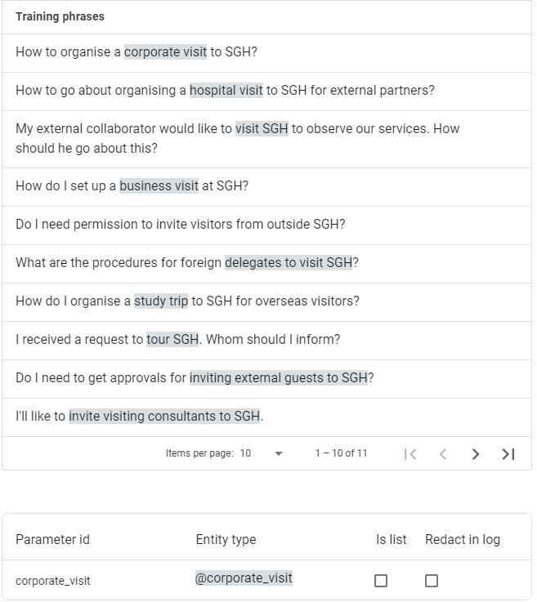
Training Phrases | Responses (Fulfilment) | Response Type
How to organise a corporate visit to SGH? | We love guests! Do they need a formal briefing or tour of the Hospital hosted by senior management representative(s) and facilitated by Communications Department? | Text
How to go about organising a hospital visit to SGH for external partners? | We love to meet them :) Do they need a formal briefing or hospital tour hosted by senior management representative(s) and facilitated by Communications Department? | Text
 | The more the merrier! Do they need a formal briefing or hospital tour hosted by senior management representative(s) and facilitated by Communications Department? | Text
How do I set up a business visit at SGH?
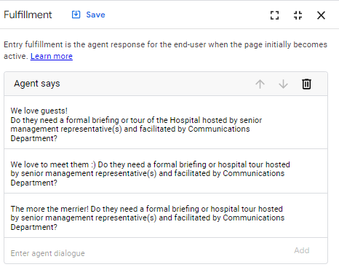
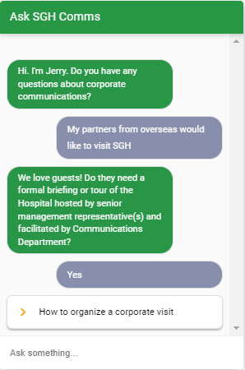
Do I need permission to invite visitors from outside SGH?
What are the procedures for foreign delegates to visit SGH?
How do I organise a study trip to SGH for overseas visitors?
I received a request to tour SGH. Whom should I inform?
Do I need to get approvals for inviting external guests to SGH?
I'll like to invite visiting consultants to SGH.
How do I host a corporate visit at SGH?

small.talk.bye
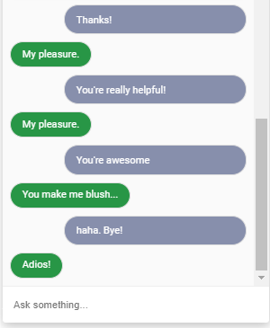
Training Phrases | Responses (Fulfilment) | Response Type
gtg | See you again! | Text
got to go | Have a good day! | Text
good night | Cheers! | Text
goodnight | Good bye! | Text
see you again | Ciao! | Text
k bye! | Adieu | Text
okay bye | Adios | Text
alright bye | Take care :) | Text
get lost | Peace! | Text
bye bye see you soon | See ya later, alligator! | Text
got to go now | Long live and prosper! | Text
good bye | Have a good one! | Text
see you | Keep in touch | Text
thanks bye bye | Later, potato! | Text
talk to you later | Ta-da! | Text
never mind bye
goodbye for now
leave me alone
that's all goodbye
bye!

small.talk.thanks
Training Phrases | Responses (Fulfilment) | Response Type
bye, thanks! | You're welcomed | Text
thanks! | My pleasure. | Text
tks! | I do my best. | Text
appreciate your help | Glad I was able to help. | Text
You really made my day | No problem. | Text
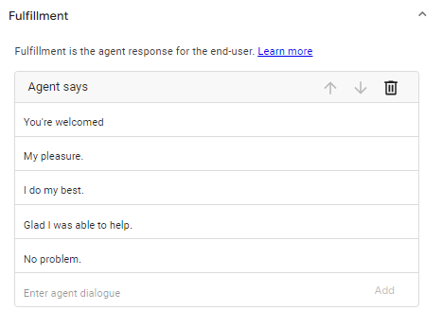
got it
thanks buddy
thank you that will be all
you helped a lot thank you
you're really helpful
so nice of you
You've been a great help
Thanks a million
Thank you!

corporate.target.yes
Training Phrases | Responses (Fulfilment) |  | Response Type
Y | How to organize a corporate visit | https://plpsgh.wpcomstaging.com/2022/10/23/how-to-organise-a-corporate-visit/ | Custom Payload (Button)
Why not?
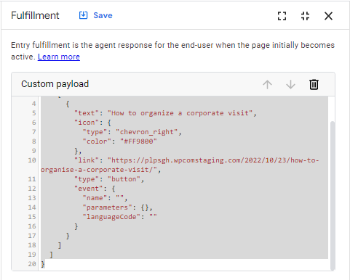
Sure
Ya
Of course
Yeah
Yup
Yes

{
"richContent": [
[
{
"text": "How to organize a corporate visit",
"icon": {
"type": "chevron_right",
"color": "#FF9800"
},
"link": "https://plpsgh.wpcomstaging.com/2022/10/23/how-to-organise-a-corporate-visit/",
"type": "button",
"event": {
"name": "",
"parameters": {},
"languageCode": ""
}
}
]
]
}

hire.publicity.vendors
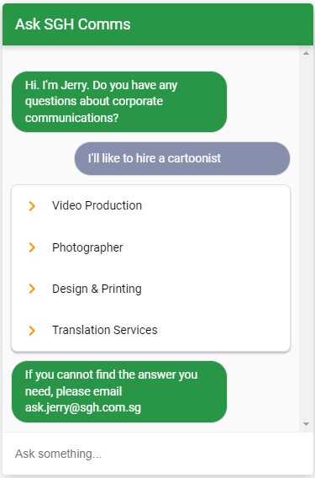
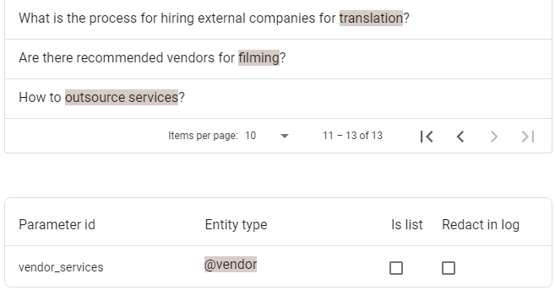
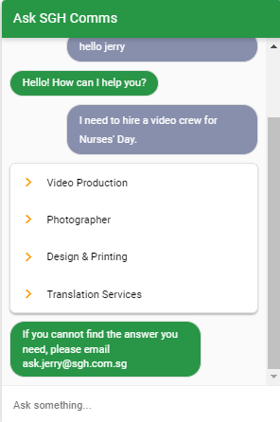
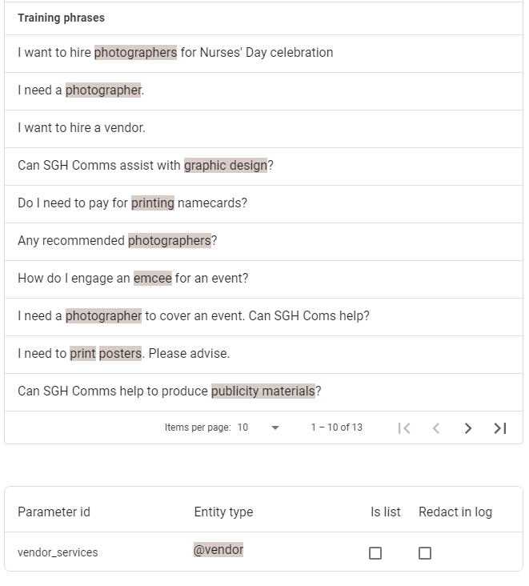
Training Phrases | Responses (Fulfilment)
I want to hire photographers for Nurses' Day celebration | Video Production | https://plpsgh.wpcomstaging.com/2022/10/23/video-production/
I need a photographer. | Photographer | https://plpsgh.wpcomstaging.com/2022/10/23/photographer/
I want to hire a vendor. | Design & Printing | https://plpsgh.wpcomstaging.com/2022/10/23/design-printing/
Can SGH Comms assist with graphic design? | Translation Services | https://plpsgh.wpcomstaging.com/2022/10/23/translation/
Do I need to pay for printing namecards? | If you cannot find the answer you need, please email ask.jerry@sgh.com.sg |  | Text
Any recommended photographers?
How do I engage an emcee for an event?
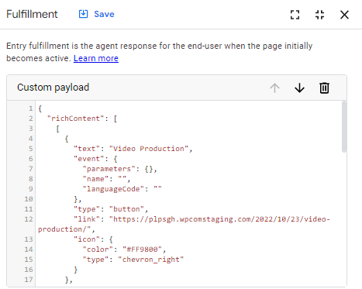
I need a photographer to cover an event. Can SGH Coms help?
I need to print posters. Please advise.
Can SGH Comms help to produce publicity materials?
What is the process for hiring external companies for translation?
Are there recommended vendors for filming?
How to outsource services?
{
"richContent": [
[
{
"text": "Video Production",
"event": {
"parameters": {},
"name": "",
"languageCode": ""
},
"type": "button",
"link": "https://plpsgh.wpcomstaging.com/2022/10/23/video-production/",
"icon": {
"color": "#FF9800",
"type": "chevron_right"
}
},
{
"text": "Photographer",
"type": "button",
"event": {
"parameters": {},
"name": "",
"languageCode": ""
},
"icon": {
"color": "#FF9800",
"type": "chevron_right"
},
"link": "https://plpsgh.wpcomstaging.com/2022/10/23/photographer/"
},
{
"icon": {
"color": "#FF9800",
"type": "chevron_right"
},
"link": "https://plpsgh.wpcomstaging.com/2022/10/23/design-printing/",
"event": {
"name": "",
"languageCode": "",
"parameters": {}
},
"type": "button",
"text": "Design & Printing"
},
{
"event": {
"name": "",
"languageCode": "",
"parameters": {}
},
"icon": {
"type": "chevron_right",
"color": "#FF9800"
},
"text": "Translation Services",
"type": "button",
"link": "https://plpsgh.wpcomstaging.com/2022/10/23/translation/"
}
]
]
}

small.talk.escalate
Training Phrases | Responses (Fulfilment) | Response Type
What's your email contact? | Sorry, I'm new and still learning. Please send your query to ask.jerry@sgh.com.sg. I'll do my homework and get back to you soon. | Text
Is there a hotline to call? | I'm sorry. Please send your questions to ask.jerry@sgh.com.sg and we will contact you as soon as possible. | Text
What's the contact number? | I'm sorry I can't help you. Please email to ask.jerry@sgh.com.sg and we will contact you very soon. | Text
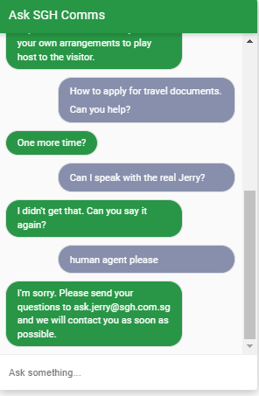
Bad
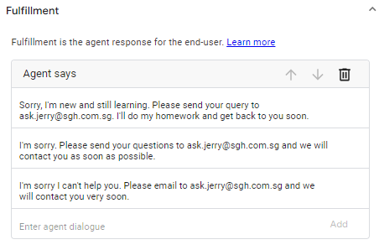
You're not helpful.
I give up
who can I contact for more help?
wrong answer
who's in charge of you?
your answer is not relevant
you're not helping
i want to talk to a live agent.
are you a human?
who can I approach for more information please?
you're useless.
I want to speak to a human
You're terrible

